Home
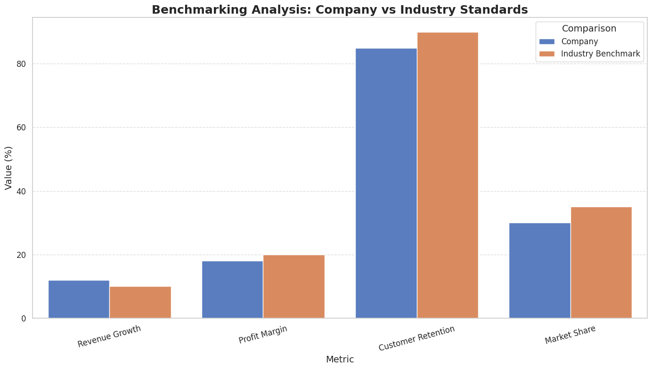
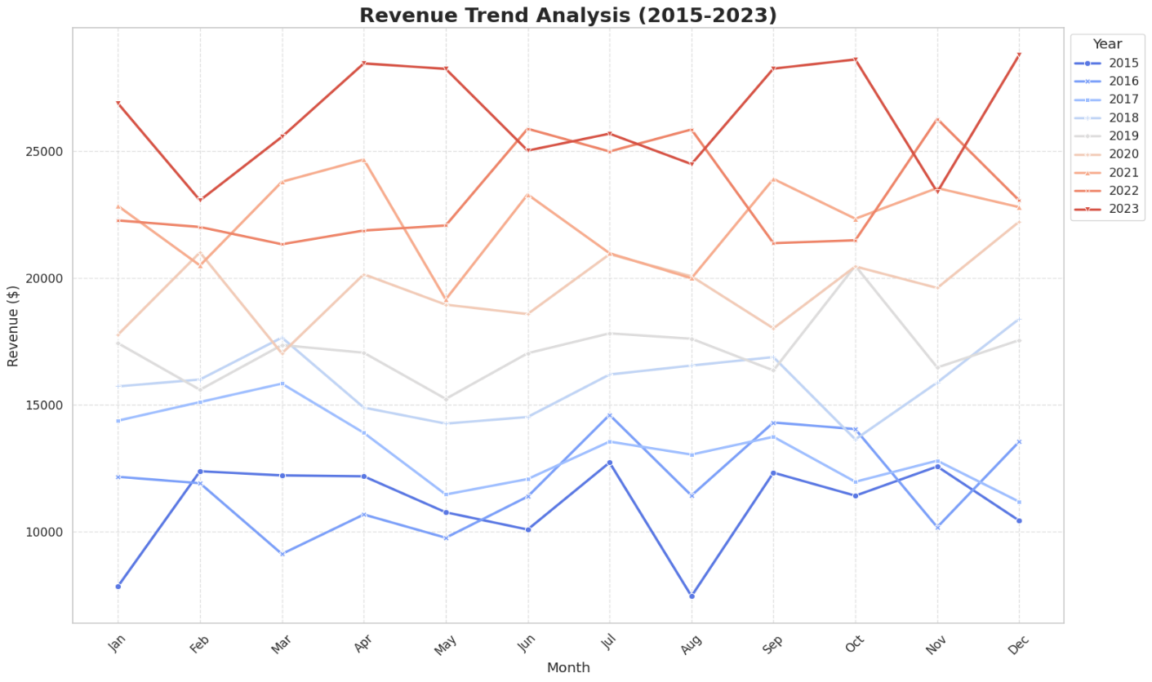
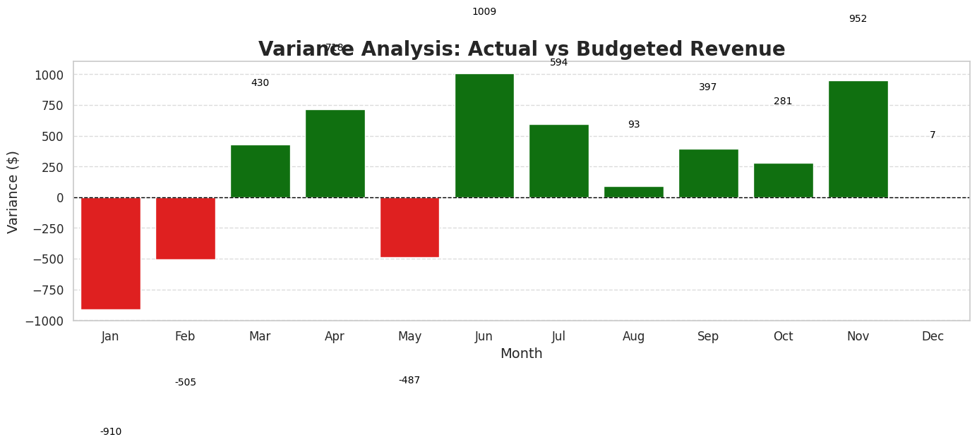
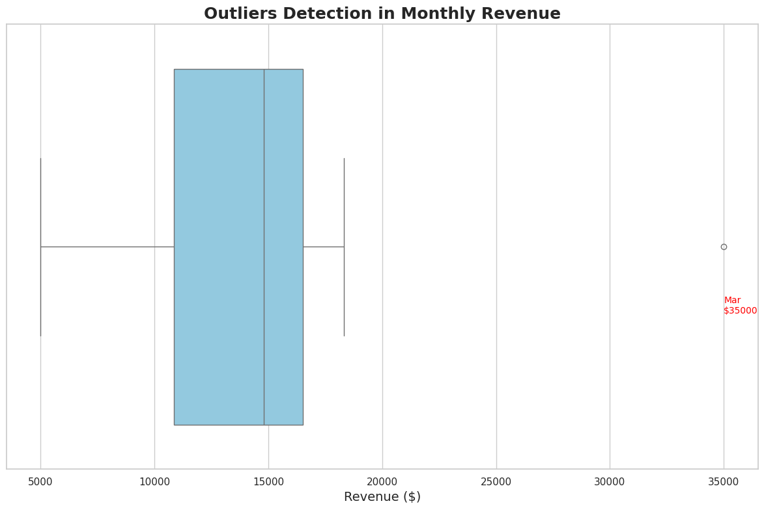
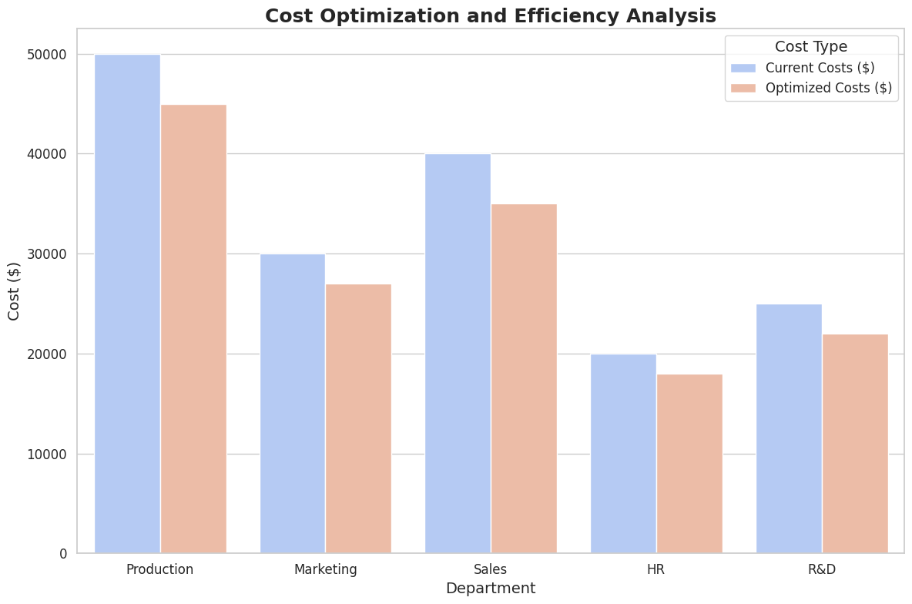

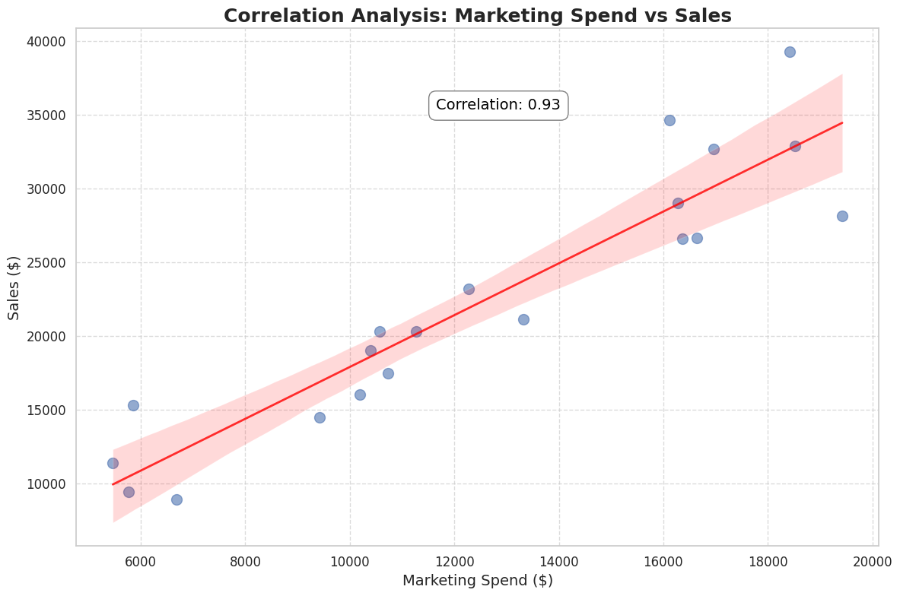
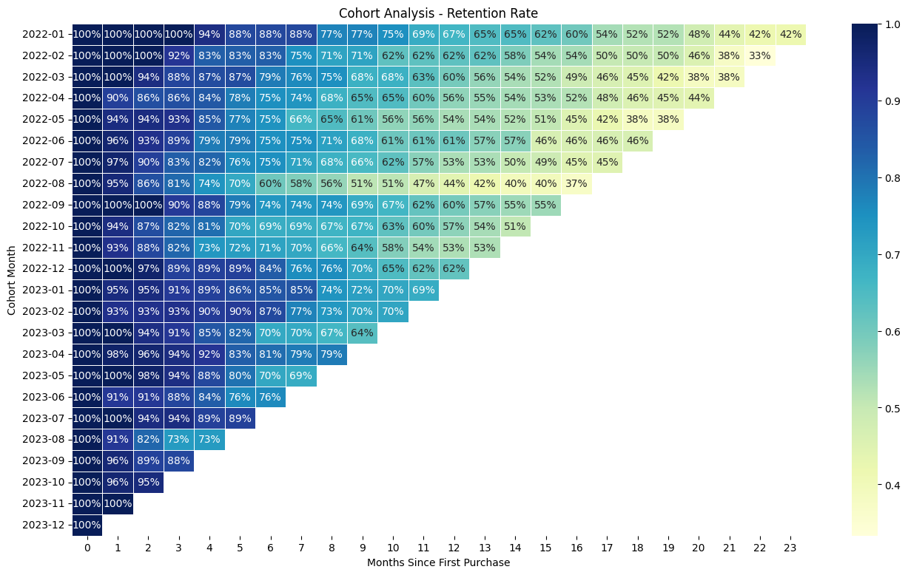

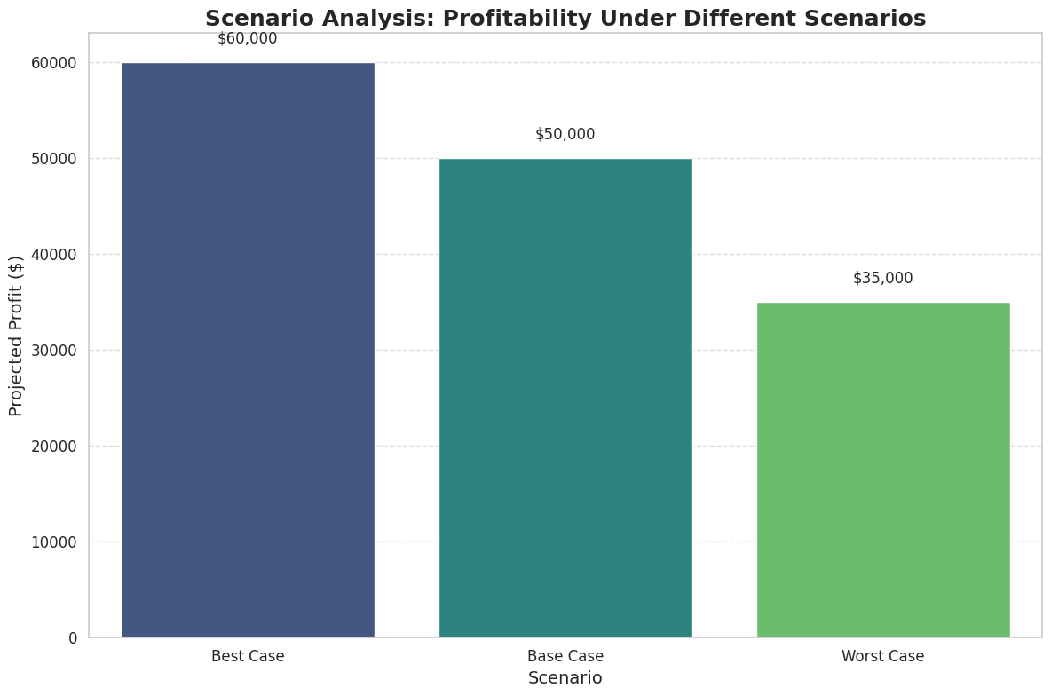
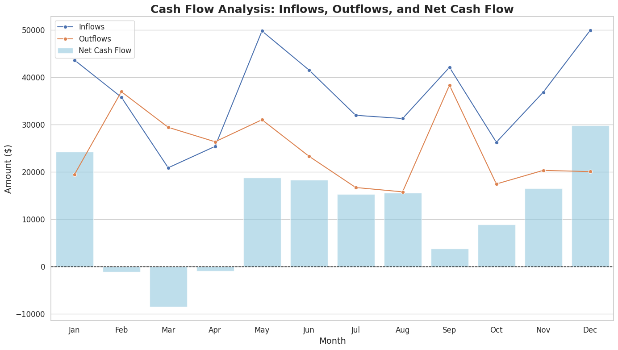

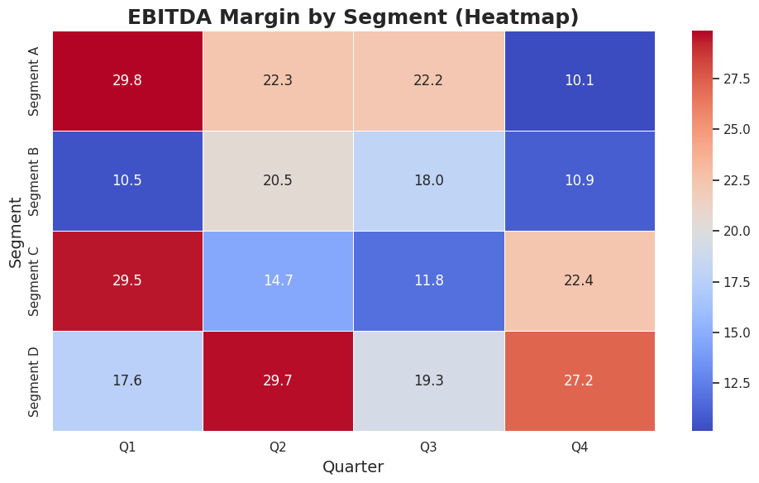

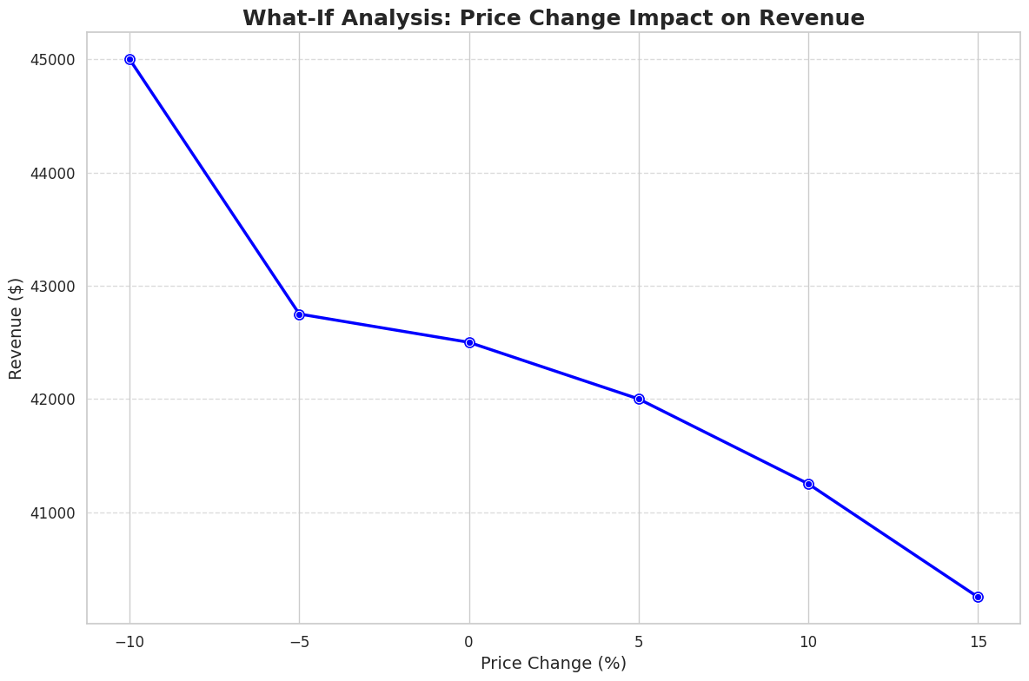
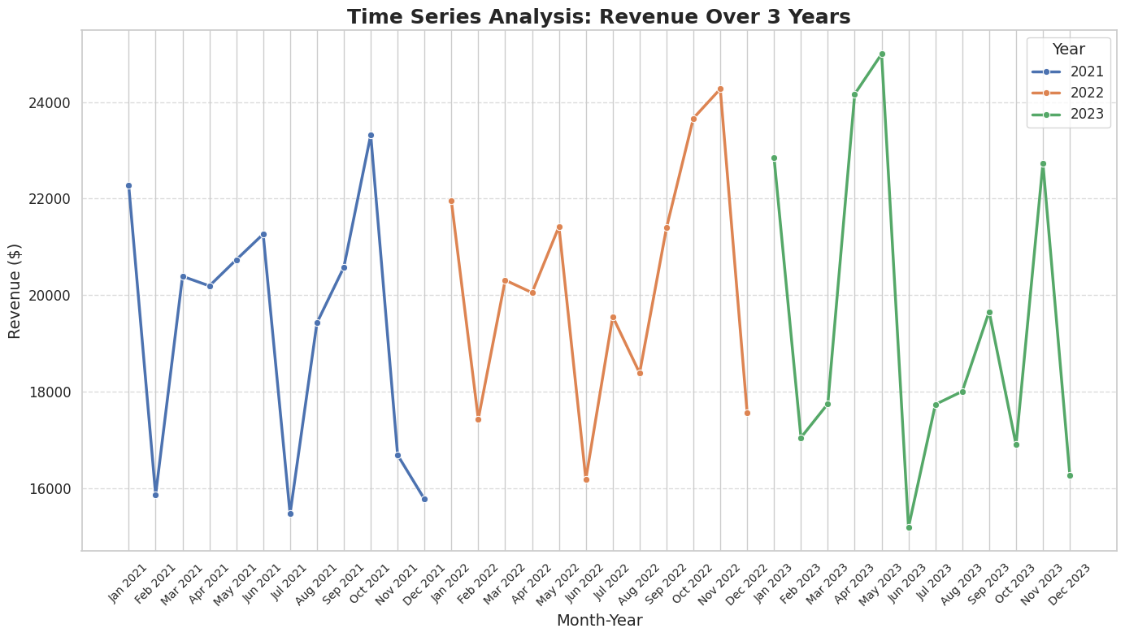
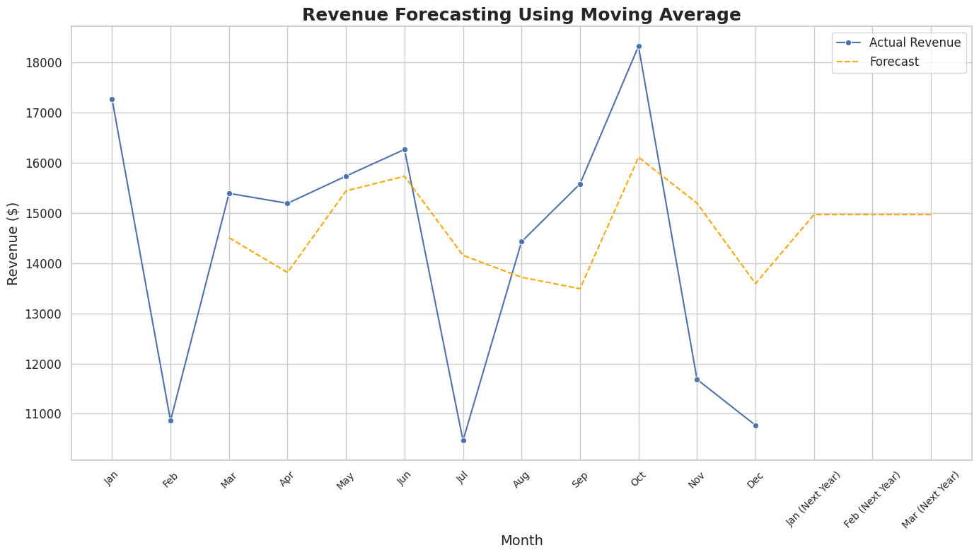
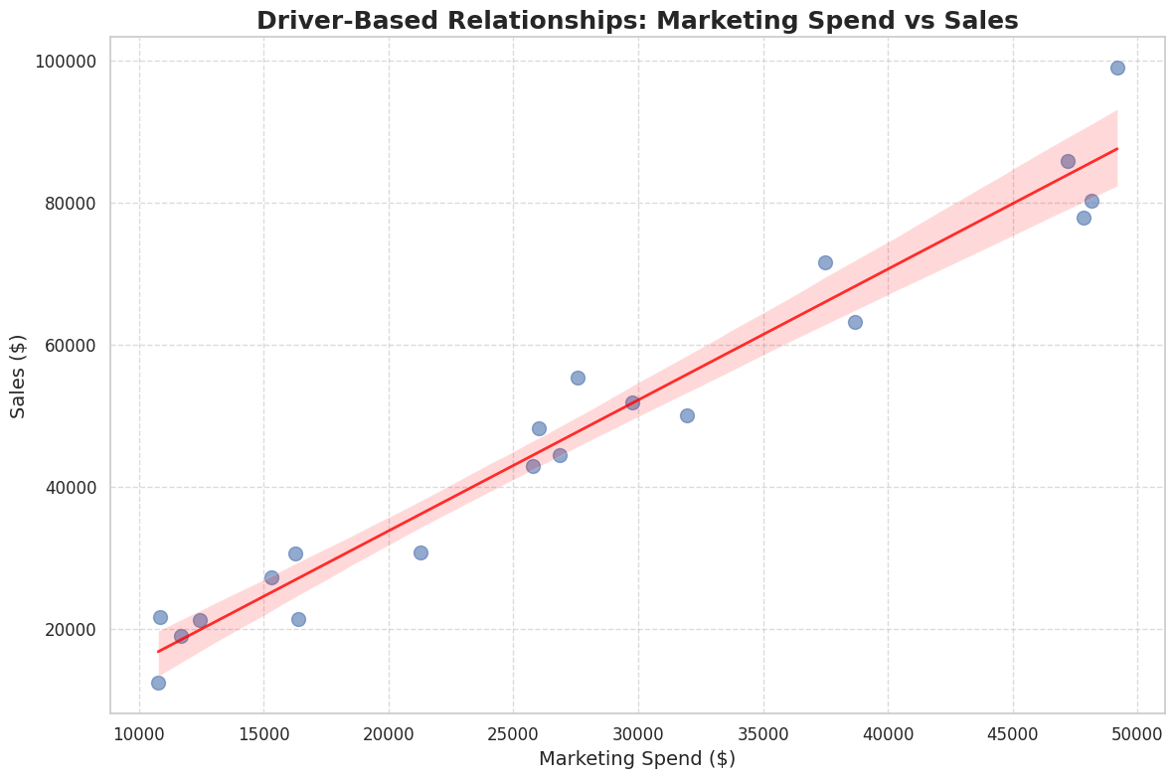

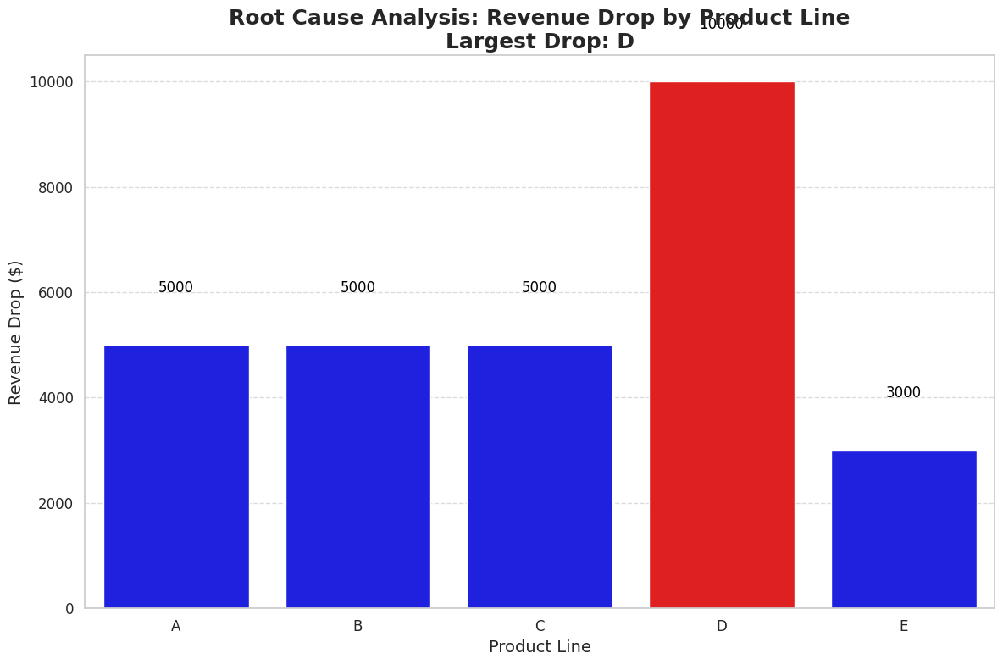
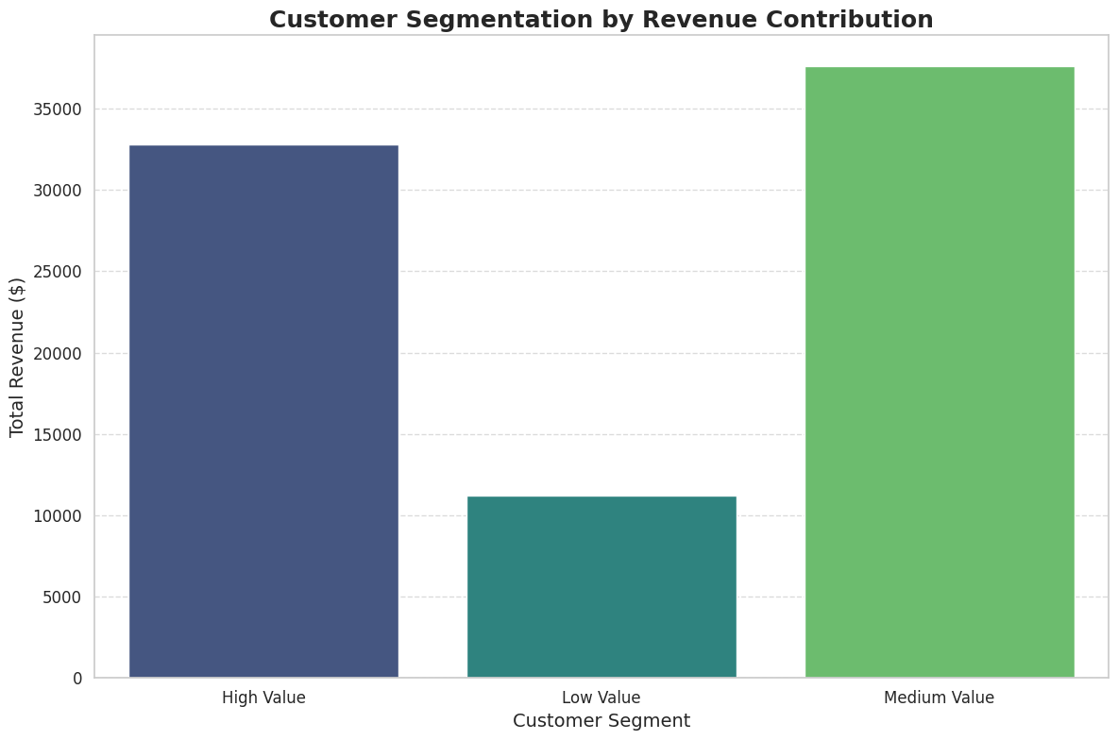
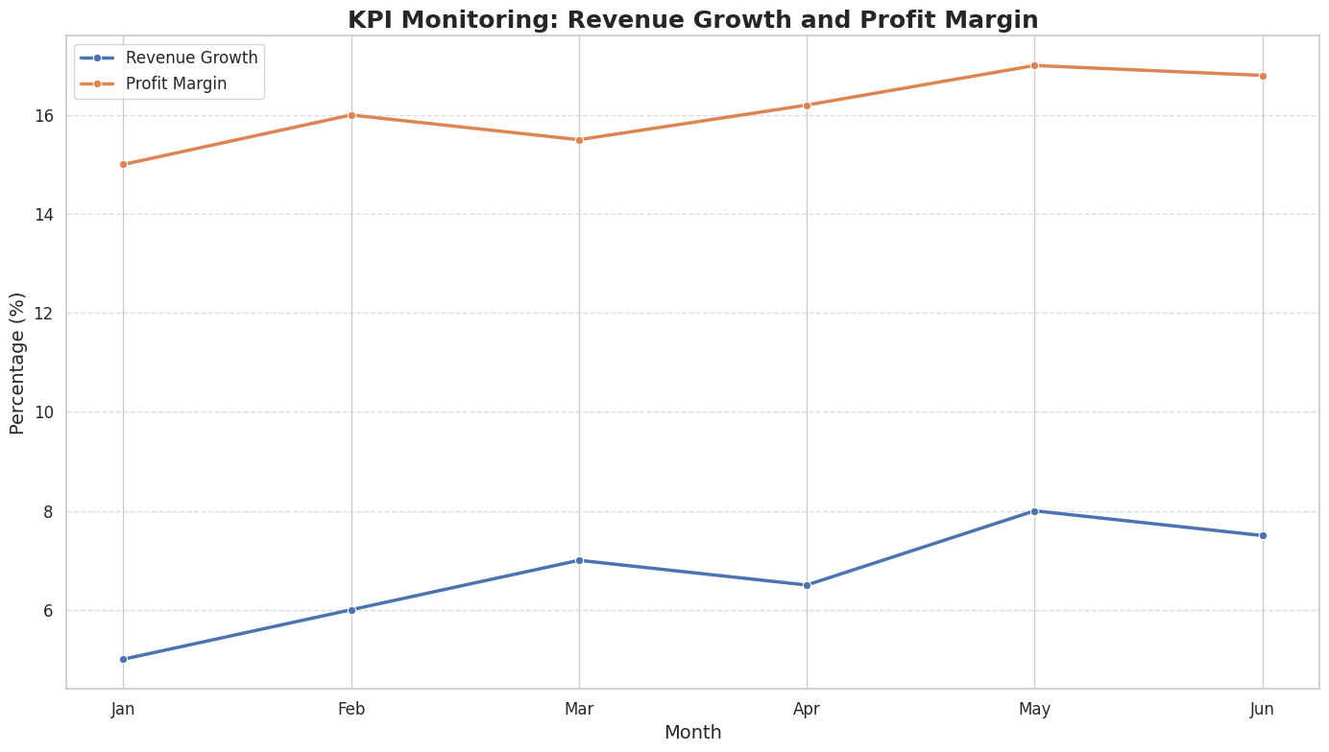
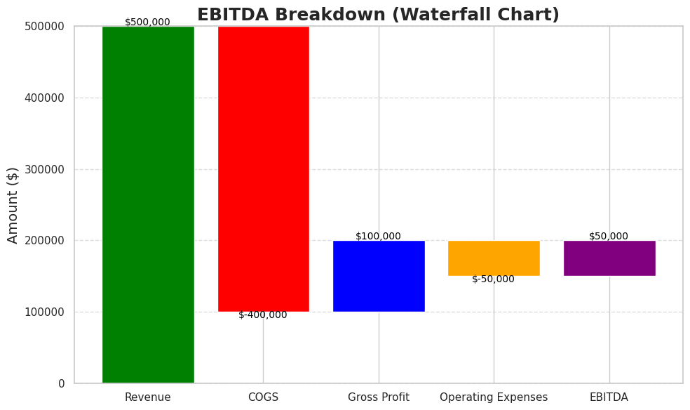

1. Trend Analysis

import pandas as pd
import seaborn as sns
import matplotlib.pyplot as plt
import numpy as np

# Generate realistic dummy data for multiple years
np.random.seed(42) # For reproducibility
months = ['Jan', 'Feb', 'Mar', 'Apr', 'May', 'Jun', 'Jul', 'Aug', 'Sep', 'Oct', 'Nov', 'Dec']
years = range(2015, 2024) # From 2015 to 2023

# Create data
data = []
for year in years:
base_revenue = 10000 + (year - 2015) * 2000 # Increase base revenue each year
monthly_revenue = base_revenue + np.random.randint(-3000, 3000, size=12) # Add some variability
for i, month in enumerate(months):
data.append({'Month': month, 'Year': str(year), 'Revenue': monthly_revenue[i]})

# Convert to DataFrame
df = pd.DataFrame(data)

# Set Seaborn theme
sns.set_theme(style="whitegrid")

# Plotting the multi-year trend
plt.figure(figsize=(16, 10))
custom_palette = sns.color_palette("coolwarm", as_cmap=False, n_colors=len(years))
sns.lineplot(data=df, x='Month', y='Revenue', hue='Year', style='Year', markers=True, dashes=False,
linewidth=2.5, palette=custom_palette)

# Enhance the visualization
plt.title('Revenue Trend Analysis (2015-2023)', fontsize=20, fontweight='bold')
plt.xlabel('Month', fontsize=14)
plt.ylabel('Revenue ($)', fontsize=14)
plt.xticks(fontsize=12, rotation=45)
plt.yticks(fontsize=12)
plt.legend(title='Year', fontsize=12, title_fontsize=14, loc='upper left', bbox_to_anchor=(1, 1))
plt.grid(visible=True, linestyle='--', alpha=0.6)
plt.tight_layout()

# Show the plot
plt.show()

